Sheet1
 |  |  |  | Description eu size | 35.5 | 36 | 37 | 37.5 | 38 | 38.5 | 39 | 39.5 | 40.5 | 41 | 42 | 42.5 | 43
Image | Brand | Gender | Style Code | Description us size | 5 | 5.5 | 6 | 6.5 | 7 | 7.5 | 8 | 8.5 | 9 | 9.5 | 10 | 10.5 | 11 | Qty | CTNS
 | Avia | L Women | A1440WBS | Womens Cross Training Shoe | 14 | 12 | 74 | 95 | 163 | 213 | 266 | 235 | 182 | 87 | 123 | 27 | 10 | 1,501 | 127
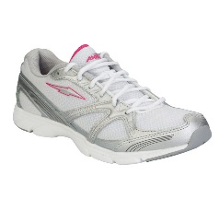 | Avia | L Women | A379WWSP | Womens Cross Training Shoe |  |  | 46 | 80 | 115 | 167 | 137 | 176 | 113 | 88 | 80 |  | 10 | 1,012 | 87
 |  |  |  | PALETTE 12 CTNS 214 |  |  |  |  |  |  |  |  |  |  |  |  |  | 2,513 | 214

